TRAIN-TEST-SPLIT
TRAIN-TEST-SPLIT's Hyper Parameters , Attributes & Methods

⇰REFERENCE (WEBSITE)-->Udemy Regarding Train_Test_Split
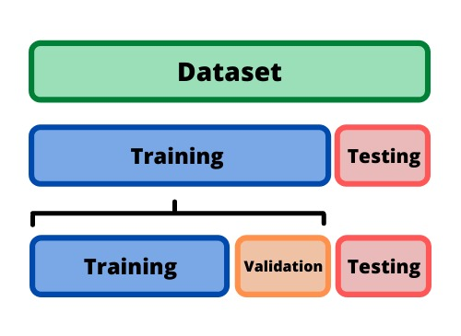 ⇰DEFINITION OF TRAIN-TEST-SPLIT →To fairly evaluate my model's performance, I don't want to evaluate it on the same data it was trained at. First we separates out the features and then it separates out the labels Further we'll separate out a training set and a test set Which Further Subdivide into 4 Components --> X train and Y train and then X test and y test the weights.

PARAMETERS FOR LINEAR REGRESSION | REFERENCE

⇰X_train→X_train Contains the Values of The Features (X1(Newspaper) ,X2(Radio) , X3(Television) This includes your all independent variables,these will be used to train the model, also as we have specified the test_size = 0.4, this means 60% of observations from your complete data will be used to train/fit the model and rest 40% will be used to test the model. | ⇰REFERENCE (Website)-> Scikit Learn Regarding TRAIN-TESTS-SPLIT

 | ⇰REFERENCE (Website)-> Stackoverflow RegardingTRAIN-TEST-SPLIT

⇰X_test→This is remaining 40% portion of the independent variables [Features(X1(Newspaper) ,X2(Radio) , X3(Television)] from the data which will not be used in the training phase and will be used to make predictions to test the accuracy of the model. | ⇰REFERENCE (Website)-> Scikit Learn Regarding TRAIN-TESTS-SPLIT

 | ⇰REFERENCE (Website)-> Stackoverflow RegardingTRAIN-TEST-SPLIT

⇰y_train→This is your dependent variable which needs to be predicted by this model, this includes category labels against your independent variables (Output =Total Sales), we need to specify our dependent variable while training/fitting the model. | ⇰REFERENCE (Website)-> Scikit Learn Regarding TRAIN-TESTS-SPLIT

 | ⇰REFERENCE (Website)-> Stackoverflow RegardingTRAIN-TEST-SPLIT

⇰y_test→This data has category labels (Dependent Variable) (Output = Total Sales) for your test data, these labels will be used to test the accuracy between actual and predicted categories. | ⇰REFERENCE (Website)-> Scikit Learn Regarding TRAIN-TESTS-SPLIT

 | ⇰REFERENCE (Website)-> Stackoverflow RegardingTRAIN-TEST-SPLIT

⇰test_size→test_size is the number that defines the size of the test set. It's very similar to train_size . You should provide either train_size or test_size . If neither is given, then the default share of the dataset that will be used for testing is 0.25 , or 25 percent. | ⇰REFERENCE (Website)-> Scikit Learn Regarding TRAIN-TESTS-SPLIT

 | ⇰REFERENCE (Website)-> Real Python Regarding TRAIN-TESTS-SPLIT

⇰Random_state→The random state hyperparameter is used to control any such randomness involved in machine learning models to get consistent results. We can use cross-validation to mitigate the effect of randomness involved in machine learning models. →Reason For Random State Usage--> 1. We need to make sure it's the same value if you intend to use multiple algorithms and compare their performance later on.As we learn more machine learning algorithms, we want to make sure that if we're comparing one algorithm to the other, that they had the exact same train test split to make sure that one algorithm didn'tget a very lucky split. 2.The other reason that we have a random state here is because what Scikit Learn is going to do when it calls train test split is it's actually going to shuffle the arrays first.Which we will See in Next Param | ⇰REFERENCE (Website)-> Real Python Regarding TRAIN-TESTS-SPLIT

 | ⇰REFERENCE (Website)-> Scikit Learn Regarding TRAIN-TESTS-SPLIT

⇰Shuffle Split→shuffle is the Boolean object (True by default) that focus on whether to shuffle the dataset before applying the split. →Reason For Random State Usage--> 1.The other reason that we have a random state here is because what Sk learn is going to do when it calls train test split is it's actually going to shuffle the arrays first.So you'll notice here that it actually is calling a shuffle split.That's why main reason it's calling a shuffle split. 2.If we See almost any Data set We can tell that more or less my data appears to be in no sort of sorted order.But for other data sets, it's not uncommon that when you read it in, it's actually already sorted for you. What we don't want to do is if our data set is in some sort of order or sorted is grab the first 70% of the rows for the train set and then the last 30% for the test set. Instead, we want to make sure that we shuffle everything first and then grab the 70% and 30%.That way I don't have an accidentally ordered data set and the test set happens to be all the highest sales and the training set is the lowest 70% of sales. That could be really dangerous as far as fairly evaluating and training your model. So instead we just alleviate any issues of that by shuffling the data set first. | ⇰REFERENCE (WEBSITE)-->Udemy Regarding Train_Test_Split

 | ⇰REFERENCE (Website)-> Real Python Regarding TRAIN-TESTS-SPLIT

 | ⇰REFERENCE (Website)-> Scikit Learn Regarding TRAIN-TESTS-SPLIT

